8005553.05 DAQ Tolerances
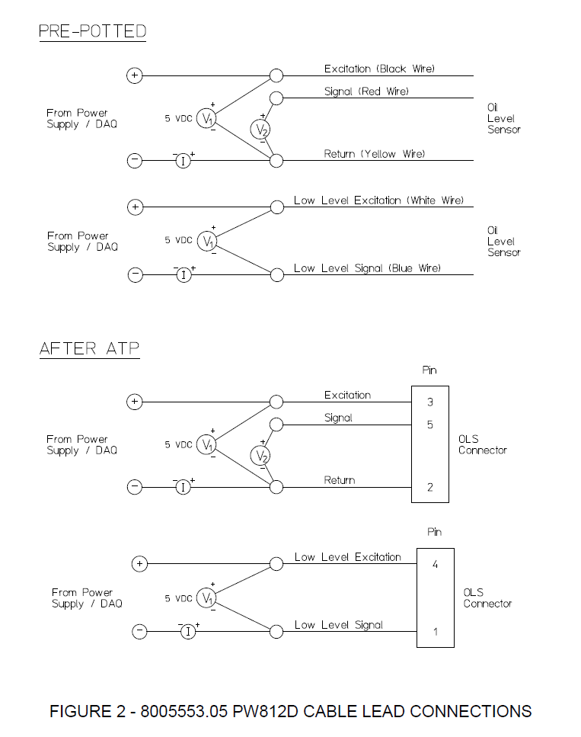
AEPS 1015 Rev New
2.5 kΩ
NOTE: 2.5 kΩ Added to Low Level Circuit to limit current
NOTE: 2.5 kΩ Added to Low Level Circuit to limit current
2.5 kΩ
`
8005553.05
Circuit A |  |  | HBM MX840B Universal Amplifier Tolerances |  |  |  | Keysight DAQ970A Tolerances
Parameter | Nominal |  | Range | % Rdg | % Rng | Units | Range | % Rdg | % Rng | Units
E | 5.000 | Vdc | 60 | 0.051% | 0.051% | Vdc | 100 | 0.0040% | 0.0006% | Vdc
I | 1.852 | mA | 10 | 0.050% | 0.050% | Vdc | 10 | 0.0030% | 0.0004% | Vdc
R | 2,700 | Ω | 300 | 0.051% | 0.052% | mVdc | 1 | 0.0035% | 0.0006% | Vdc
R Series | - | Ω | 30 | 0.052% | 0.052% | mAdc | 100 | 0.0040% | 0.0006% | mVdc
 |  |  |  |  |  |  | ISense Resistor |  | 50 | Ω
R Total | 2,700 | Ω |  |  |  |  | Adjust Power Supply + |  | 0.025 | Vdc
P | 9.26 | mW

Circuit A Outputs |  |  |  |  | HBM DAQ Error |  |  |  | Resistance Calculation Error
Level | SW Closed | Ω Nominal | V Sig-Rtn | I, mA | V Min | V Max | I Min | I Max | V-/I- | V-/I+ | V+/I- | V+/I+ | ± Errror Ω RMS | ± Errror % Rdg
7 | SW 9 | 1,700 | 3.148 | 1.852 | 3.1416 | 3.1547 | 1.8353 | 1.8684 | -11.760 | 18.589 | -18.924 | 11.551 | 15.616 | 0.92%
6 | SW 8 | 1,600 | 2.963 | 1.852 | 2.9565 | 2.9694 | 1.8353 | 1.8684 | -10.908 | 17.653 | -17.971 | 10.715 | 14.734 | 0.92%
5 | SW 7 | 1,500 | 2.778 | 1.852 | 2.7714 | 2.7842 | 1.8353 | 1.8684 | -10.056 | 16.716 | -17.018 | 9.878 | 13.854 | 0.92%
4 | SW 6 | 1,400 | 2.593 | 1.852 | 2.5863 | 2.5989 | 1.8353 | 1.8684 | -9.204 | 15.780 | -16.065 | 9.041 | 12.977 | 0.93%
3 | SW 5 | 1,300 | 2.407 | 1.852 | 2.4012 | 2.4136 | 1.8353 | 1.8684 | -8.352 | 14.844 | -15.112 | 8.204 | 12.102 | 0.93%
2 | SW 4 | 1,200 | 2.222 | 1.852 | 2.2161 | 2.2283 | 1.8353 | 1.8684 | -7.500 | 13.908 | -14.159 | 7.367 | 11.230 | 0.94%
1 | SW 3 | 1,100 | 2.037 | 1.852 | 2.0310 | 2.0431 | 1.8353 | 1.8684 | -6.648 | 12.972 | -13.207 | 6.530 | 10.363 | 0.94%
0 | SW 2 | 1,000 | 1.852 | 1.852 | 1.8459 | 1.8578 | 1.8353 | 1.8684 | -5.796 | 12.036 | -12.254 | 5.693 | 9.500 | 0.95%

Circuit B - Low Level |  |  | HBM MX840B Universal Amplifier Tolerances
Parameter | Nominal |  | Range | % Rdg | % Rng | Units
E | 5.000 | Vdc | 60 | 0.051% | 0.051% | Vdc
I | 1.923 | mA | 10 | 0.050% | 0.050% | Vdc
R | 100 | Ω | 300 | 0.051% | 0.052% | mVdc
R Series | 2,500 | Ω | 30 | 0.052% | 0.052% | mAdc

R Total | 2,600 | Ω |  |  |  |  |  |  |  |  |  |  | ```
P | 0.37 | mW

Circuit B Outputs |  |  |  |  | HBM DAQ Error |  |  |  | Resistance Calculation Error
Level | SW Closed | Ω Nominal | V LL Exc-LL Sig | I, mA | V Min | V Max | I Min | I Max | V-/I- | V-/I+ | V+/I- | V+/I+ | ± Errror Ω RMS | ± Errror % Rdg
1 | SW 1 | 100 | 0.192 | 1.923 | 0.1872 | 0.1974 | 1.9065 | 1.9397 | 1.802 | 3.483 | -3.544 | -1.772 | 2.787 | 2.79%
0 | None | 10,000,000 | 5.000 | 0.000 | 4.9925 | 5.0074 | -0.0151 | 0.0161 | 10,330,620 | 9,689,915 | 10,331,613 | 9,688,983 | 10,015,423 | 100.15%

Circuit A Outputs |  |  |  |  | Keysight DAQ Error |  |  |  | Resistance Calculation Error
Level | SW Closed | Ω Nominal | V Sig-Rtn | I, mA | V Min | V Max | I Min | I Max | V-/I- | V-/I+ | V+/I- | V+/I+ | ± Errror Ω RMS | ± Errror % Rdg
7 | SW 9 | 1,700 | 3.091 | 1.818 | 3.0908 | 3.0910 | 1.8181 | 1.8183 | -0.006 | 0.152 | -0.152 | 0.006 | 0.108 | 0.01%
6 | SW 8 | 1,600 | 2.909 | 1.818 | 2.9090 | 2.9092 | 1.8181 | 1.8183 | -0.005 | 0.145 | -0.145 | 0.005 | 0.102 | 0.01%
5 | SW 7 | 1,500 | 2.727 | 1.818 | 2.7272 | 2.7274 | 1.8181 | 1.8183 | -0.003 | 0.137 | -0.137 | 0.003 | 0.097 | 0.01%
4 | SW 6 | 1,400 | 2.545 | 1.818 | 2.5453 | 2.5456 | 1.8181 | 1.8183 | -0.001 | 0.129 | -0.129 | 0.001 | 0.091 | 0.01%
3 | SW 5 | 1,300 | 2.364 | 1.818 | 2.3635 | 2.3637 | 1.8181 | 1.8183 | 0.000 | 0.122 | -0.122 | 0.000 | 0.086 | 0.01%
2 | SW 4 | 1,200 | 2.182 | 1.818 | 2.1817 | 2.1819 | 1.8181 | 1.8183 | 0.002 | 0.114 | -0.114 | -0.002 | 0.081 | 0.01%
1 | SW 3 | 1,100 | 2.000 | 1.818 | 1.9999 | 2.0001 | 1.8181 | 1.8183 | 0.004 | 0.106 | -0.106 | -0.004 | 0.075 | 0.01%
0 | SW 2 | 1,000 | 1.818 | 1.818 | 1.8181 | 1.8183 | 1.8181 | 1.8183 | 0.005 | 0.099 | -0.099 | -0.005 | 0.070 | 0.01%

Circuit B - Low Level |  |  | HBM MX840B Universal Amplifier Tolerances |  |  |  | Keysight DAQ970A Tolerances
Parameter | Nominal |  | Range | % Rdg | % Rng | Units | Range | % Rdg | % Rng | Units
E | 5.000 | Vdc | 60 | 0.051% | 0.051% | Vdc | 100 | 0.0040% | 0.0006% | Vdc
I | 1.923 | mA | 10 | 0.050% | 0.050% | Vdc | 10 | 0.0030% | 0.0004% | Vdc
R | 100 | Ω | 300 | 0.051% | 0.052% | mVdc | 1 | 0.0035% | 0.0006% | Vdc
R Series | 2,500 | Ω | 30 | 0.052% | 0.052% | mAdc | 100 | 0.0040% | 0.0006% | mVdc
 |  |  |  |  |  |  | ISense Resistor |  | 50 | Ω
R Total | 2,600 | Ω |  |  |  |  | Adjust Power Supply + |  | 0.025 | Vdc |  |  | ```
P | 0.37 | mW

Circuit B Outputs |  |  |  |  | Keysight DAQ Error |  |  |  | Resistance Calculation Error
Level | SW Closed | Ω Nominal | V LL Exc-LL Sig | I, mA | V Min | V Max | I Min | I Max | V-/I- | V-/I+ | V+/I- | V+/I+ | ± Errror Ω RMS | ± Errror % Rdg
1 | SW 1 | 100 | 0.192 | 1.923 | 0.1923 | 0.1924 | 1.9230 | 1.9232 | 0.019 | 0.028 | -0.028 | -0.019 | 0.024 | 0.02%
0 | None | 10,000,000 | 5.000 | 0.000 | 4.9998 | 5.0001 | 0.0005 | 0.0005 | -245,935 | 235,130 | -246,713 | 234,388 | 240,611 | 2.41%

8005465.05 DAQ Tolerances .25mA
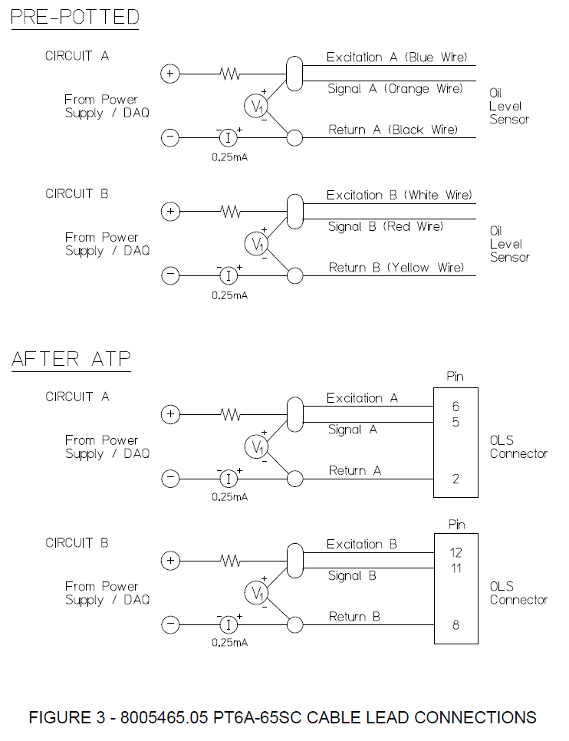
100kΩ
100kΩ
100kΩ
100kΩ
AEPS 1015 Rev New
8005465.05
Circuits A & B |  |  | HBM MX840B Universal Amplifier Tolerances |  |  |  | Keysight DAQ970A Tolerances
Parameter | Nominal |  | Range | % Rdg | % Rng | Units | Range | % Rdg | % Rng | Units
E | 25.075 | Vdc | 60 | 0.051% | 0.051% | Vdc | 100 | 0.0040% | 0.0006% | Vdc
I | 0.249 | mA | 10 | 0.050% | 0.050% | Vdc | 10 | 0.0030% | 0.0004% | Vdc
R | 600 | Ω | 300 | 0.051% | 0.052% | mVdc | 1 | 0.0035% | 0.0006% | Vdc
R Series | 100,000 | Ω | 30 | 0.052% | 0.052% | mAdc | 100 | 0.0040% | 0.0006% | mVdc
 |  |  |  |  |  |  | ISense Resistor |  | 100 | Ω
R Total | 100,600 | Ω |  |  |  |  | Adjust Power Supply + |  | 0.025 | Vdc
P | 0.04 | mW

Circuits A & B |  |  |  |  | HBM DAQ Error |  |  |  | Resistance Calculation Error
Level | SW Closed | Ω Nominal | V Sig-Rtn | I, mA | V Min (300mV) | V Max (300 mV) | I Min (30 mA) | I Max (30 mA) | V-/I- | V-/I+ | V+/I- | V+/I+ | ± Errror Ω RMS | ± Errror % Rdg
10 | SW 11 | 550 | 0.1372 | 0.2494 | 0.1369 | 0.1374 | 0.2336 | 0.2651 | -36.060 | 33.485 | -37.994 | 31.781 | 34.911 | 6.35%
9 | SW 10 | 500 | 0.1248 | 0.2495 | 0.1245 | 0.1250 | 0.2338 | 0.2652 | -32.704 | 30.481 | -34.583 | 28.825 | 31.723 | 6.34%
8 | SW 9 | 450 | 0.1123 | 0.2496 | 0.1121 | 0.1125 | 0.2339 | 0.2654 | -29.351 | 27.479 | -31.175 | 25.871 | 28.538 | 6.34%
7 | SW 8 | 400 | 0.0999 | 0.2498 | 0.0997 | 0.1001 | 0.2340 | 0.2655 | -26.002 | 24.480 | -27.771 | 22.921 | 25.357 | 6.34%
6 | SW 7 | 350 | 0.0875 | 0.2499 | 0.0873 | 0.0877 | 0.2341 | 0.2656 | -22.656 | 21.483 | -24.370 | 19.973 | 22.179 | 6.34%
5 | SW 6 | 300 | 0.0750 | 0.2500 | 0.0748 | 0.0752 | 0.2343 | 0.2657 | -19.314 | 18.490 | -20.973 | 17.028 | 19.005 | 6.33%
4 | SW 5 | 250 | 0.0625 | 0.2501 | 0.0623 | 0.0627 | 0.2344 | 0.2659 | -15.976 | 15.499 | -17.579 | 14.085 | 15.834 | 6.33%
3 | SW 4 | 200 | 0.0500 | 0.2502 | 0.0499 | 0.0502 | 0.2345 | 0.2660 | -12.641 | 12.511 | -14.189 | 11.146 | 12.667 | 6.33%
2 | SW 3 | 150 | 0.0376 | 0.2504 | 0.0374 | 0.0377 | 0.2346 | 0.2661 | -9.309 | 9.525 | -10.802 | 8.209 | 9.506 | 6.34%
1 | SW 2 | 100 | 0.0250 | 0.2505 | 0.0249 | 0.0252 | 0.2348 | 0.2662 | -5.981 | 6.542 | -7.419 | 5.275 | 6.353 | 6.35%
0 | SW 1 | 50 | 0.0125 | 0.2506 | 0.0124 | 0.0127 | 0.2349 | 0.2664 | -2.657 | 3.563 | -4.040 | 2.343 | 3.223 | 6.45%

Circuits A & B |  |  |  |  | HBM DAQ Error |  |  |  | Resistance Calculation Error
Level | SW Closed | Ω Nominal | V Sig-Rtn | I, mA | V Min (10 Vdc) | V Max (10 Vdc) | I Min (30 mA) | I Max (30 mA) | V-/I- | V-/I+ | V+/I- | V+/I+ | ± Errror Ω RMS | ± Errror % Rdg
10 | SW 11 | 550 | 0.1372 | 0.2494 | 0.1321 | 0.1422 | 0.2336 | 0.2651 | -15.334 | 51.752 | -58.720 | 13.514 | 40.448 | 7.35%
9 | SW 10 | 500 | 0.1248 | 0.2495 | 0.1197 | 0.1298 | 0.2338 | 0.2652 | -11.988 | 48.739 | -55.298 | 10.566 | 37.712 | 7.54%
8 | SW 9 | 450 | 0.1123 | 0.2496 | 0.1073 | 0.1174 | 0.2339 | 0.2654 | -8.646 | 45.729 | -51.880 | 7.621 | 35.055 | 7.79%
7 | SW 8 | 400 | 0.0999 | 0.2498 | 0.0949 | 0.1050 | 0.2340 | 0.2655 | -5.307 | 42.722 | -48.465 | 4.678 | 32.497 | 8.12%
6 | SW 7 | 350 | 0.0875 | 0.2499 | 0.0824 | 0.0925 | 0.2341 | 0.2656 | -1.972 | 39.718 | -45.054 | 1.738 | 30.059 | 8.59%
5 | SW 6 | 300 | 0.0750 | 0.2500 | 0.0700 | 0.0800 | 0.2343 | 0.2657 | 1.360 | 36.716 | -41.646 | -1.199 | 27.775 | 9.26%
4 | SW 5 | 250 | 0.0625 | 0.2501 | 0.0575 | 0.0676 | 0.2344 | 0.2659 | 4.688 | 33.717 | -38.242 | -4.133 | 25.682 | 10.27%
3 | SW 4 | 200 | 0.0500 | 0.2502 | 0.0450 | 0.0551 | 0.2345 | 0.2660 | 8.012 | 30.721 | -34.842 | -7.064 | 23.832 | 11.92%
2 | SW 3 | 150 | 0.0376 | 0.2504 | 0.0325 | 0.0426 | 0.2346 | 0.2661 | 11.333 | 27.727 | -31.445 | -9.993 | 22.282 | 14.85%
1 | SW 2 | 100 | 0.0250 | 0.2505 | 0.0200 | 0.0301 | 0.2348 | 0.2662 | 14.651 | 24.736 | -28.051 | -12.919 | 21.097 | 21.10%
0 | SW 1 | 50 | 0.0125 | 0.2506 | 0.0075 | 0.0175 | 0.2349 | 0.2664 | 17.964 | 21.748 | -24.661 | -15.843 | 20.340 | 40.68%

Circuits A & B |  |  |  |  | Keysight DAQ Error |  |  |  | Resistance Calculation Error
Level | SW Closed | Ω Nominal | V Sig-Rtn | I, mA | V Min | V Max | I Min | I Max | V-/I- | V-/I+ | V+/I- | V+/I+ | ± Errror Ω RMS | ± Errror % Rdg
10 | SW 11 | 550 | 0.1372 | 0.2494 | 0.1372 | 0.1372 | 0.2494 | 0.2494 | -0.016 | 0.055 | -0.055 | 0.016 | 0.040 | 0.01%
9 | SW 10 | 500 | 0.1248 | 0.2495 | 0.1247 | 0.1248 | 0.2495 | 0.2495 | -0.015 | 0.050 | -0.050 | 0.014 | 0.037 | 0.01%
8 | SW 9 | 450 | 0.1123 | 0.2496 | 0.1123 | 0.1123 | 0.2496 | 0.2496 | -0.013 | 0.045 | -0.045 | 0.013 | 0.033 | 0.01%
7 | SW 8 | 400 | 0.0999 | 0.2498 | 0.0999 | 0.0999 | 0.2497 | 0.2498 | -0.012 | 0.040 | -0.040 | 0.012 | 0.029 | 0.01%
6 | SW 7 | 350 | 0.0875 | 0.2499 | 0.0875 | 0.0875 | 0.2499 | 0.2499 | -0.010 | 0.035 | -0.035 | 0.010 | 0.026 | 0.01%
5 | SW 6 | 300 | 0.0750 | 0.2500 | 0.0750 | 0.0750 | 0.2500 | 0.2500 | -0.009 | 0.030 | -0.030 | 0.009 | 0.022 | 0.01%
4 | SW 5 | 250 | 0.0625 | 0.2501 | 0.0625 | 0.0625 | 0.2501 | 0.2501 | -0.007 | 0.025 | -0.025 | 0.007 | 0.018 | 0.01%
3 | SW 4 | 200 | 0.0500 | 0.2502 | 0.0500 | 0.0501 | 0.2502 | 0.2503 | -0.006 | 0.020 | -0.020 | 0.006 | 0.015 | 0.01%
2 | SW 3 | 150 | 0.0376 | 0.2504 | 0.0376 | 0.0376 | 0.2504 | 0.2504 | -0.004 | 0.015 | -0.015 | 0.004 | 0.011 | 0.01%
1 | SW 2 | 100 | 0.0250 | 0.2505 | 0.0250 | 0.0251 | 0.2505 | 0.2505 | -0.003 | 0.010 | -0.010 | 0.003 | 0.007 | 0.01%
0 | SW 1 | 50 | 0.0125 | 0.2506 | 0.0125 | 0.0125 | 0.2506 | 0.2506 | -0.001 | 0.005 | -0.005 | 0.001 | 0.004 | 0.01%

8005465.05 DAQ Tolerances 4mA
6 kΩ
6 kΩ
6 kΩ
6 kΩ
AEPS 1015 Rev New
4 mA
4 mA
4 mA
4 mA
8005465.05
Circuits A & B |  |  | HBM MX840B Universal Amplifier Tolerances |  |  |  | Keysight DAQ970A Tolerances
Parameter | Nominal |  | Range | % Rdg | % Rng | Units | Range | % Rdg | % Rng | Units
E | 25.200 | Vdc | 60 | 0.051% | 0.051% | Vdc | 100 | 0.0040% | 0.0006% | Vdc
I | 3.818 | mA | 10 | 0.050% | 0.050% | Vdc | 10 | 0.0030% | 0.0004% | Vdc
R | 600 | Ω | 300 | 0.051% | 0.052% | mVdc | 1 | 0.0035% | 0.0006% | Vdc
R Series | 6,000 | Ω | 30 | 0.052% | 0.052% | mAdc | 100 | 0.0040% | 0.0006% | mVdc
 |  |  |  |  |  |  | ISense Resistor |  | 50 | Ω
R Total | 6,600 | Ω |  |  |  |  | Adjust Power Supply + |  | 0.200 | Vdc
P | 8.75 | mW

Circuits A & B |  |  |  |  | HBM DAQ Error |  |  |  | Resistance Calculation Error
Level | SW Closed | Ω Nominal | V Sig-Rtn | I, mA | V Min | V Max | I Min | I Max | V-/I- | V-/I+ | V+/I- | V+/I+ | ± Errror Ω RMS | ± Errror % Rdg
10 | SW 11 | 550 | 2.1160 | 3.8473 | 2.1150 | 2.1171 | 3.8297 | 3.8649 | -2.250 | 2.780 | -2.805 | 2.230 | 2.531 | 0.46%
9 | SW 10 | 500 | 1.9385 | 3.8769 | 1.9375 | 1.9394 | 3.8593 | 3.8945 | -2.030 | 2.512 | -2.535 | 2.011 | 2.286 | 0.46%
8 | SW 9 | 450 | 1.7581 | 3.9070 | 1.7573 | 1.7590 | 3.8893 | 3.9246 | -1.813 | 2.247 | -2.267 | 1.796 | 2.043 | 0.45%
7 | SW 8 | 400 | 1.5750 | 3.9375 | 1.5742 | 1.5758 | 3.9199 | 3.9551 | -1.599 | 1.985 | -2.003 | 1.584 | 1.804 | 0.45%
6 | SW 7 | 350 | 1.3890 | 3.9685 | 1.3883 | 1.3897 | 3.9508 | 3.9862 | -1.388 | 1.726 | -1.742 | 1.375 | 1.568 | 0.45%
5 | SW 6 | 300 | 1.2000 | 4.0000 | 1.1994 | 1.2006 | 3.9823 | 4.0177 | -1.180 | 1.471 | -1.484 | 1.170 | 1.335 | 0.44%
4 | SW 5 | 250 | 1.0080 | 4.0320 | 1.0075 | 1.0085 | 4.0143 | 4.0497 | -0.975 | 1.218 | -1.229 | 0.967 | 1.105 | 0.44%
3 | SW 4 | 200 | 0.8129 | 4.0645 | 0.8125 | 0.8133 | 4.0468 | 4.0822 | -0.774 | 0.969 | -0.977 | 0.767 | 0.878 | 0.44%
2 | SW 3 | 150 | 0.6146 | 4.0976 | 0.6143 | 0.6149 | 4.0798 | 4.1153 | -0.575 | 0.722 | -0.728 | 0.570 | 0.654 | 0.44%
1 | SW 2 | 100 | 0.4131 | 4.1311 | 0.4129 | 0.4133 | 4.1134 | 4.1489 | -0.380 | 0.479 | -0.483 | 0.377 | 0.433 | 0.43%
0 | SW 1 | 50 | 0.2083 | 4.1653 | 0.2082 | 0.2084 | 4.1475 | 4.1831 | -0.188 | 0.238 | -0.240 | 0.186 | 0.215 | 0.43%

Circuits A & B |  |  |  |  | Keysight DAQ Error |  |  |  | Resistance Calculation Error
Level | SW Closed | Ω Nominal | V Sig-Rtn | I, mA | V Min | V Max | I Min | I Max | V-/I- | V-/I+ | V+/I- | V+/I+ | ± Errror Ω RMS | ± Errror % Rdg
10 | SW 11 | 550 | 2.1167 | 3.8485 | 2.1166 | 2.1167 | 3.8482 | 3.8487 | -0.020 | 0.053 | -0.053 | 0.020 | 0.040 | 0.01%
9 | SW 10 | 500 | 1.9389 | 3.8779 | 1.9389 | 1.9390 | 3.8776 | 3.8781 | -0.015 | 0.050 | -0.050 | 0.015 | 0.037 | 0.01%
8 | SW 9 | 450 | 1.7585 | 3.9077 | 1.7584 | 1.7585 | 3.9074 | 3.9079 | -0.014 | 0.045 | -0.045 | 0.014 | 0.034 | 0.01%
7 | SW 8 | 400 | 1.5752 | 3.9380 | 1.5751 | 1.5752 | 3.9377 | 3.9382 | -0.012 | 0.040 | -0.040 | 0.012 | 0.030 | 0.01%
6 | SW 7 | 350 | 1.3891 | 3.9688 | 1.3890 | 1.3891 | 3.9685 | 3.9690 | -0.011 | 0.035 | -0.035 | 0.011 | 0.026 | 0.01%
5 | SW 6 | 300 | 1.2000 | 4.0000 | 1.2000 | 1.2000 | 3.9997 | 4.0003 | -0.009 | 0.030 | -0.030 | 0.009 | 0.022 | 0.01%
4 | SW 5 | 250 | 1.0079 | 4.0317 | 1.0079 | 1.0080 | 4.0315 | 4.0320 | -0.007 | 0.025 | -0.025 | 0.007 | 0.018 | 0.01%
3 | SW 4 | 200 | 0.8128 | 4.0640 | 0.8128 | 0.8128 | 4.0637 | 4.0643 | -0.006 | 0.020 | -0.020 | 0.006 | 0.015 | 0.01%
2 | SW 3 | 150 | 0.6145 | 4.0968 | 0.6145 | 0.6145 | 4.0965 | 4.0970 | -0.004 | 0.015 | -0.015 | 0.004 | 0.011 | 0.01%
1 | SW 2 | 100 | 0.4130 | 4.1301 | 0.4130 | 0.4130 | 4.1298 | 4.1303 | -0.003 | 0.010 | -0.010 | 0.003 | 0.007 | 0.01%
0 | SW 1 | 50 | 0.2082 | 4.1639 | 0.2082 | 0.2082 | 4.1637 | 4.1642 | -0.001 | 0.005 | -0.005 | 0.001 | 0.004 | 0.01%

8005571.05 DAQ Tolerances
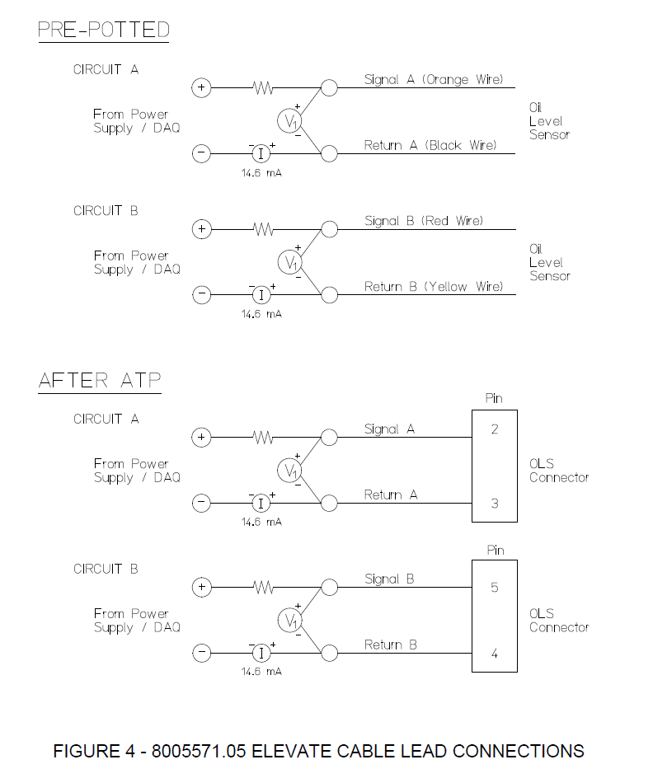
AEPS 1015 Rev New
Remove
Remove
Remove
Remove
8005571.05
Circuits A & B |  |  | HBM MX840B Universal Amplifier Tolerances |  |  |  | Keysight DAQ970A Tolerances
Parameter | Nominal |  | Range | % Rdg | % Rng | Units | Range | % Rdg | % Rng | Units
E | 28.000 | Vdc | 60 | 0.051% | 0.051% | Vdc | 100 | 0.0040% | 0.0006% | Vdc
I | 15.000 | mA | 10 | 0.050% | 0.050% | Vdc | 10 | 0.0030% | 0.0004% | Vdc
R Shunt | 2,400 | Ω | 300 | 0.051% | 0.052% | mVdc | 1 | 0.0035% | 0.0006% | Vdc
R Series | 4.7 | Ω | 30 | 0.052% | 0.052% | mAdc | 100 | 0.0040% | 0.0006% | mVdc
 |  |  |  |  |  |  | ISense Resistor |  | 50 | Ω

R OLS | 100 | 200 | 300 | 400 | 500 | 600 | 700 | 800 | 900 | 1,000 | 1,100 | Ω
R Total | 100.32 | 188.61 | 270.37 | 346.30 | 417.01 | 483.00 | 544.75 | 602.64 | 657.03 | 708.22 | 756.49 | Ω
Vshunt = VSeries + VOLS | 1.505 | 2.829 | 4.056 | 5.195 | 6.255 | 7.245 | 8.171 | 9.040 | 9.855 | 10.623 | 11.347 | Vdc
IShunt | 0.627 | 1.179 | 1.690 | 2.164 | 2.606 | 3.019 | 3.405 | 3.766 | 4.106 | 4.426 | 4.728 | mA
PShunt | 0.94 | 3.34 | 6.85 | 11.24 | 16.30 | 21.87 | 27.82 | 34.05 | 40.47 | 47.02 | 53.65 | mW
I Series = I OLS | 14.373 | 13.821 | 13.310 | 12.836 | 12.394 | 11.981 | 11.595 | 11.234 | 10.894 | 10.574 | 10.272 | mA
V Series | 0.068 | 0.065 | 0.063 | 0.060 | 0.058 | 0.056 | 0.054 | 0.053 | 0.051 | 0.050 | 0.048 | Vdc
P Series | 0.97 | 0.90 | 0.83 | 0.77 | 0.72 | 0.67 | 0.63 | 0.59 | 0.56 | 0.53 | 0.50 | mW
V OLS | 1.437 | 2.764 | 3.993 | 5.134 | 6.197 | 7.189 | 8.117 | 8.987 | 9.804 | 10.574 | 11.299 | Vdc
P OLS | 20.658 | 38.205 | 53.148 | 65.901 | 76.802 | 86.130 | 94.116 | 100.953 | 106.803 | 111.801 | 116.064 | mW

Circuits A & B |  |  |  |  | HBM DAQ Error |  |  |  | Resistance Calculation Error
Level | SW Closed | Ω Nominal | V Sig-Rtn | I, mA | V Min | V Max | I Min | I Max | V-/I- | V-/I+ | V+/I- | V+/I+ | ± Errror Ω RMS | ± Errror % Rdg
11 | SW 12 | 1,100 | 11.299 | 10.272 | 11.2885 | 11.3098 | 10.2510 | 10.2929 | -1.208 | 3.273 | -3.286 | 1.203 | 2.471 | 0.22%
10 | SW 11 | 1,100 | 11.299 | 10.272 | 11.2885 | 11.3098 | 10.2510 | 10.2929 | -1.208 | 3.273 | -3.286 | 1.203 | 2.471 | 0.22%
9 | SW 10 | 1,000 | 10.574 | 10.574 | 10.5633 | 10.5839 | 10.5525 | 10.5947 | -1.025 | 2.962 | -2.974 | 1.020 | 2.220 | 0.22%
8 | SW 9 | 900 | 9.804 | 10.894 | 9.7943 | 9.8141 | 10.8723 | 10.9148 | -0.850 | 2.661 | -2.671 | 0.846 | 1.978 | 0.22%
7 | SW 8 | 800 | 8.987 | 11.234 | 8.9773 | 8.9963 | 11.2121 | 11.2549 | -0.683 | 2.368 | -2.377 | 0.681 | 1.745 | 0.22%
6 | SW 7 | 700 | 8.117 | 11.595 | 8.1077 | 8.1258 | 11.5737 | 11.6170 | -0.526 | 2.083 | -2.091 | 0.524 | 1.522 | 0.22%
5 | SW 6 | 600 | 7.189 | 11.981 | 7.1801 | 7.1973 | 11.9594 | 12.0031 | -0.377 | 1.807 | -1.814 | 0.375 | 1.308 | 0.22%
4 | SW 5 | 500 | 6.197 | 12.394 | 6.1888 | 6.2050 | 12.3717 | 12.4158 | -0.236 | 1.540 | -1.546 | 0.236 | 1.104 | 0.22%
3 | SW 4 | 400 | 5.134 | 12.836 | 5.1267 | 5.1418 | 12.8133 | 12.8579 | -0.105 | 1.281 | -1.286 | 0.104 | 0.911 | 0.23%
2 | SW 3 | 300 | 3.993 | 13.310 | 3.9861 | 4.0000 | 13.2876 | 13.3327 | 0.018 | 1.032 | -1.035 | -0.018 | 0.731 | 0.24%
1 | SW 2 | 200 | 2.764 | 13.821 | 2.7579 | 2.7706 | 13.7984 | 13.8440 | 0.132 | 0.790 | -0.793 | -0.132 | 0.567 | 0.28%
0 | SW 1 | 100 | 1.437 | 14.373 | 1.4316 | 1.4430 | 14.3499 | 14.3961 | 0.238 | 0.558 | -0.559 | -0.237 | 0.429 | 0.43%

Circuits A & B |  |  |  |  | Keysight DAQ Error |  |  |  | Resistance Calculation Error
Level | SW Closed | Ω Nominal | V Sig-Rtn | I, mA | V Min | V Max | I Min | I Max | V-/I- | V-/I+ | V+/I- | V+/I+ | ± Errror Ω RMS | ± Errror % Rdg
11 | SW 12 | 1,100 | 11.299 | 10.272 | 11.2987 | 11.2995 | 10.2714 | 10.2724 | -0.014 | 0.088 | -0.088 | 0.014 | 0.063 | 0.01%
10 | SW 11 | 1,000 | 10.574 | 10.574 | 10.5733 | 10.5740 | 10.5731 | 10.5741 | -0.013 | 0.080 | -0.080 | 0.013 | 0.057 | 0.01%
9 | SW 10 | 900 | 9.804 | 10.894 | 9.8039 | 9.8046 | 10.8931 | 10.8941 | -0.011 | 0.072 | -0.072 | 0.011 | 0.052 | 0.01%
8 | SW 9 | 800 | 8.987 | 11.234 | 8.9865 | 8.9871 | 11.2330 | 11.2340 | -0.009 | 0.064 | -0.064 | 0.009 | 0.046 | 0.01%
7 | SW 8 | 700 | 8.117 | 11.595 | 8.1164 | 8.1170 | 11.5948 | 11.5958 | -0.007 | 0.056 | -0.056 | 0.007 | 0.040 | 0.01%
6 | SW 7 | 600 | 7.189 | 11.981 | 7.1885 | 7.1890 | 11.9807 | 11.9818 | -0.006 | 0.048 | -0.048 | 0.006 | 0.034 | 0.01%
5 | SW 6 | 500 | 6.197 | 12.394 | 6.1966 | 6.1971 | 12.3932 | 12.3943 | -0.004 | 0.041 | -0.041 | 0.004 | 0.029 | 0.01%
4 | SW 5 | 400 | 5.134 | 12.836 | 5.1340 | 5.1344 | 12.8350 | 12.8362 | -0.003 | 0.033 | -0.033 | 0.003 | 0.023 | 0.01%
3 | SW 4 | 300 | 3.993 | 13.310 | 3.9929 | 3.9932 | 13.3096 | 13.3107 | -0.001 | 0.025 | -0.025 | 0.001 | 0.018 | 0.01%
2 | SW 3 | 200 | 2.764 | 13.821 | 2.7641 | 2.7644 | 13.8206 | 13.8218 | 0.000 | 0.018 | -0.018 | 0.000 | 0.012 | 0.01%
1 | SW 2 | 100 | 1.437 | 14.373 | 1.4372 | 1.4374 | 14.3724 | 14.3736 | 0.001 | 0.010 | -0.010 | -0.001 | 0.007 | 0.01%
0 | SW 1 | 100 | 1.437 | 14.373 | 1.4372 | 1.4374 | 14.3724 | 14.3736 | 0.001 | 0.010 | -0.010 | -0.001 | 0.007 | 0.01%

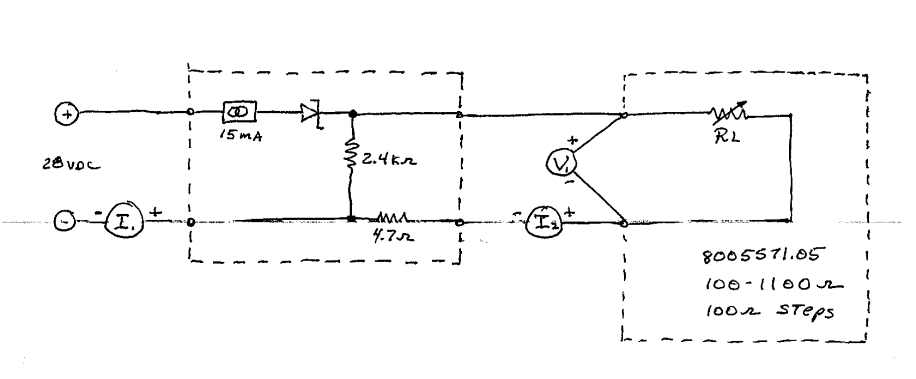
P&WC Excitation Circuit

PXD Tolerances
100kΩ
100kΩ
100kΩ
100kΩ
AEPS 1015 Rev New
8005465.05
Circuits A & B |  |  | HBM MX840B Universal Amplifier Tolerances |  |  |  | Keysight DAQ970A Tolerances
Parameter | Nominal |  | Range | % Rdg | % Rng | Units | Range | % Rdg | % Rng | Units
E | 25.075 | Vdc | 60 | 0.051% | 0.051% | Vdc | 100 | 0.0040% | 0.0006% | Vdc
I | 0.249 | mA | 10 | 0.050% | 0.050% | Vdc | 10 | 0.0030% | 0.0004% | Vdc
R | 600 | Ω | 300 | 0.051% | 0.052% | mVdc | 1 | 0.0035% | 0.0006% | Vdc
R Series | 100,000 | Ω | 30 | 0.052% | 0.052% | mAdc | 100 | 0.0040% | 0.0006% | mVdc

R Total | 100,600 | Ω |  |  |  |  | ISense Resistor |  | 100 | Ω
P | 0.04 | mW

Circuits A & B |  |  |  |  | HBM DAQ Error |  |  |  | Resistance Calculation Error
Level | SW Closed | Ω Nominal | V Sig-Rtn | I, mA | V Min | V Max | I Min | I Max | V-/I- | V-/I+ | V+/I- | V+/I+ | ± Errror Ω RMS | ± Errror % Rdg
10 | SW 11 | 550 | 0.1372 | 0.2494 | 0.1369 | 0.1374 | 0.2336 | 0.2651 | -36.060 | 33.485 | -37.994 | 31.781 | 34.911 | 6.35%
9 | SW 10 | 500 | 0.1248 | 0.2495 | 0.1245 | 0.1250 | 0.2338 | 0.2652 | -32.704 | 30.481 | -34.583 | 28.825 | 31.723 | 6.34%
8 | SW 9 | 450 | 0.1123 | 0.2496 | 0.1121 | 0.1125 | 0.2339 | 0.2654 | -29.351 | 27.479 | -31.175 | 25.871 | 28.538 | 6.34%
7 | SW 8 | 400 | 0.0999 | 0.2498 | 0.0997 | 0.1001 | 0.2340 | 0.2655 | -26.002 | 24.480 | -27.771 | 22.921 | 25.357 | 6.34%
6 | SW 7 | 350 | 0.0875 | 0.2499 | 0.0873 | 0.0877 | 0.2341 | 0.2656 | -22.656 | 21.483 | -24.370 | 19.973 | 22.179 | 6.34%
5 | SW 6 | 300 | 0.0750 | 0.2500 | 0.0748 | 0.0752 | 0.2343 | 0.2657 | -19.314 | 18.490 | -20.973 | 17.028 | 19.005 | 6.33%
4 | SW 5 | 250 | 0.0625 | 0.2501 | 0.0623 | 0.0627 | 0.2344 | 0.2659 | -15.976 | 15.499 | -17.579 | 14.085 | 15.834 | 6.33%
3 | SW 4 | 200 | 0.0500 | 0.2502 | 0.0499 | 0.0502 | 0.2345 | 0.2660 | -12.641 | 12.511 | -14.189 | 11.146 | 12.667 | 6.33%
2 | SW 3 | 150 | 0.0376 | 0.2504 | 0.0374 | 0.0377 | 0.2346 | 0.2661 | -9.309 | 9.525 | -10.802 | 8.209 | 9.506 | 6.34%
1 | SW 2 | 100 | 0.0250 | 0.2505 | 0.0249 | 0.0252 | 0.2348 | 0.2662 | -5.981 | 6.542 | -7.419 | 5.275 | 6.353 | 6.35%
0 | SW 1 | 50 | 0.0125 | 0.2506 | 0.0124 | 0.0127 | 0.2349 | 0.2664 | -2.657 | 3.563 | -4.040 | 2.343 | 3.223 | 6.45%

Circuits A & B |  |  |  |  | Keysight DAQ Error |  |  |  | Resistance Calculation Error
Level | SW Closed | Ω Nominal | V Sig-Rtn | I, mA | V Min | V Max | I Min | I Max | V-/I- | V-/I+ | V+/I- | V+/I+ | ± Errror Ω RMS | ± Errror % Rdg
10 | SW 11 | 550 | 0.1372 | 0.2494 | 0.1372 | 0.1372 | 0.2494 | 0.2494 | -0.016 | -0.016 | -0.055 | -0.055 | 0.040 | 0.01%
9 | SW 10 | 500 | 0.1248 | 0.2495 | 0.1247 | 0.1248 | 0.2495 | 0.2495 | -0.015 | -0.015 | -0.050 | -0.050 | 0.037 | 0.01%
8 | SW 9 | 450 | 0.1123 | 0.2496 | 0.1123 | 0.1123 | 0.2496 | 0.2496 | -0.013 | -0.013 | -0.045 | -0.045 | 0.033 | 0.01%
7 | SW 8 | 400 | 0.0999 | 0.2498 | 0.0999 | 0.0999 | 0.2497 | 0.2497 | -0.012 | -0.012 | -0.040 | -0.040 | 0.029 | 0.01%
6 | SW 7 | 350 | 0.0875 | 0.2499 | 0.0875 | 0.0875 | 0.2499 | 0.2499 | -0.010 | -0.010 | -0.035 | -0.035 | 0.026 | 0.01%
5 | SW 6 | 300 | 0.0750 | 0.2500 | 0.0750 | 0.0750 | 0.2500 | 0.2500 | -0.009 | -0.009 | -0.030 | -0.030 | 0.022 | 0.01%
4 | SW 5 | 250 | 0.0625 | 0.2501 | 0.0625 | 0.0625 | 0.2501 | 0.2501 | -0.007 | -0.007 | -0.025 | -0.025 | 0.018 | 0.01%
3 | SW 4 | 200 | 0.0500 | 0.2502 | 0.0500 | 0.0501 | 0.2502 | 0.2502 | -0.006 | -0.006 | -0.020 | -0.020 | 0.015 | 0.01%
2 | SW 3 | 150 | 0.0376 | 0.2504 | 0.0376 | 0.0376 | 0.2504 | 0.2504 | -0.004 | -0.004 | -0.015 | -0.015 | 0.011 | 0.01%
1 | SW 2 | 100 | 0.0250 | 0.2505 | 0.0250 | 0.0251 | 0.2505 | 0.2505 | -0.003 | -0.003 | -0.010 | -0.010 | 0.007 | 0.01%
0 | SW 1 | 50 | 0.0125 | 0.2506 | 0.0125 | 0.0125 | 0.2506 | 0.2506 | -0.001 | -0.001 | -0.005 | -0.005 | 0.004 | 0.01%

Circuits A & B |  |  |  |  | Keysight DAQ Error |  |  |  | Resistance Calculation Error
Level | SW Closed | Ω Nominal | V Sig-Rtn | I, mA | V Min | V Max | I Min | I Max | V-/I- | V-/I+ | V+/I- | V+/I+ | ± Errror Ω RMS | ± Errror % Rdg
10 | SW 11 | 550 | 0.1372 | 0.2494 | 0.1372 | 0.1372 | 0.2494 | 0.2494 | -0.016 | -0.016 | -0.055 | -0.055 | 0.040 | 0.01%
9 | SW 10 | 500 | 0.1248 | 0.2495 | 0.1247 | 0.1248 | 0.2495 | 0.2495 | -0.015 | -0.015 | -0.050 | -0.050 | 0.037 | 0.01%
8 | SW 9 | 450 | 0.1123 | 0.2496 | 0.1123 | 0.1123 | 0.2496 | 0.2496 | -0.013 | -0.013 | -0.045 | -0.045 | 0.033 | 0.01%
7 | SW 8 | 400 | 0.0999 | 0.2498 | 0.0999 | 0.0999 | 0.2497 | 0.2497 | -0.012 | -0.012 | -0.040 | -0.040 | 0.029 | 0.01%
6 | SW 7 | 350 | 0.0875 | 0.2499 | 0.0875 | 0.0875 | 0.2499 | 0.2499 | -0.010 | -0.010 | -0.035 | -0.035 | 0.026 | 0.01%
5 | SW 6 | 300 | 0.0750 | 0.2500 | 0.0750 | 0.0750 | 0.2500 | 0.2500 | -0.009 | -0.009 | -0.030 | -0.030 | 0.022 | 0.01%
4 | SW 5 | 250 | 0.0625 | 0.2501 | 0.0625 | 0.0625 | 0.2501 | 0.2501 | -0.007 | -0.007 | -0.025 | -0.025 | 0.018 | 0.01%
3 | SW 4 | 200 | 0.0500 | 0.2502 | 0.0500 | 0.0501 | 0.2502 | 0.2502 | -0.006 | -0.006 | -0.020 | -0.020 | 0.015 | 0.01%
2 | SW 3 | 150 | 0.0376 | 0.2504 | 0.0376 | 0.0376 | 0.2504 | 0.2504 | -0.004 | -0.004 | -0.015 | -0.015 | 0.011 | 0.01%
1 | SW 2 | 100 | 0.0250 | 0.2505 | 0.0250 | 0.0251 | 0.2505 | 0.2505 | -0.003 | -0.003 | -0.010 | -0.010 | 0.007 | 0.01%
0 | SW 1 | 50 | 0.0125 | 0.2506 | 0.0125 | 0.0125 | 0.2506 | 0.2506 | -0.001 | -0.001 | -0.005 | -0.005 | 0.004 | 0.01%

